About
 |  | FSSE-NSSE Combined Report 2020
 |  | About This Report

The display below highlights details in the FSSE-NSSE Combined Report that are important to keep in mind when interpreting your results. For more information about the survey, please visit our website (fsse.indiana.edu) or contact a member of the FSSE team.

1. | Sample: The FSSE-NSSE Combined Report shows responses from both students and faculty at your institution who completed NSSE and FSSE. This report contains responses from faculty who responded to the survey based on their experiences teaching either a lower- or upper-division course. Data from faculty who responded based on another type of course or who did not report a course level are not included in this report. All student responses are based on information from all randomly selected or census-administered students at your institution, the same as those included in the NSSE Frequencies and Statistical Comparisons report.

2. | Class level: Frequency distributions are reported separately for faculty who report teaching lower-division or upper-division courses. Student responses are reported separately for first-year students and seniors as reported by your institution.

3. | Item numbers: Item numbering corresponds to the survey facsimiles included in your Institutional Report and available on the NSSE and FSSE websites.
4. | Item wording and variable names: Survey items are worded as they appear on the instrument. Variable names are included for easy reference to your data file, codebook, and FSSE Frequencies report.

5. | Faculty responses: The percentage of faculty who selected the indicated response categories. To match the response categories provided on the FSSE instrument, this column heading varies throughout the report.

6. | Student responses: The percentage of students who selected the indicated response categories. To match the response categories provided on the NSSE instrument, this column heading varies throughout the report. The distribution of student responses match those in your NSSE Frequencies and Statistical Comparisons report.

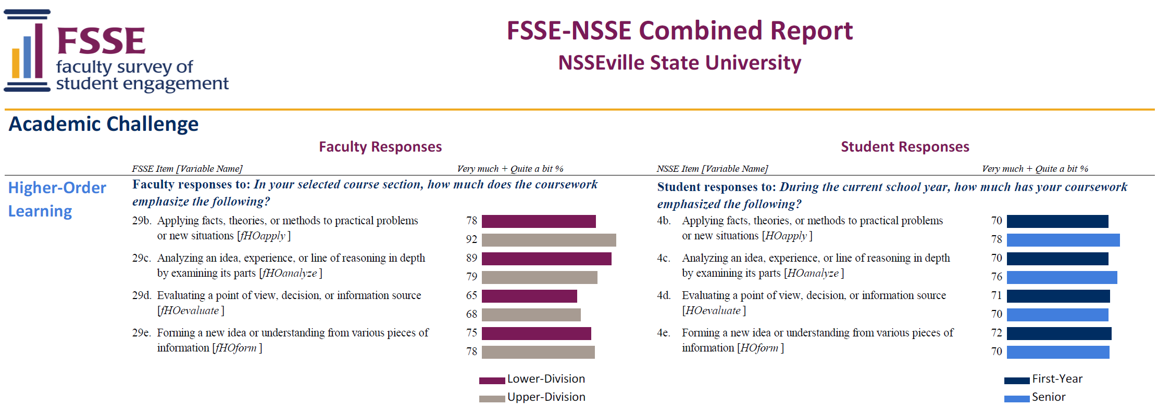
1
5
6
4
4

SAMPLE
SAMPLE

3
3

2
2

